Hiearchy View
CLASS: PHOTO EYE
“non-contact” devices that operate by shooting a beam of light across the gate opening. |  | 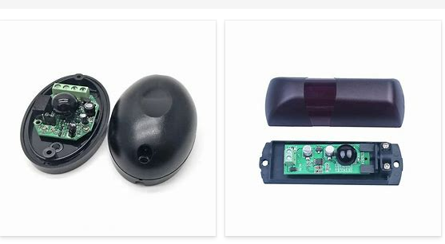
REMOVE | N

PROBLEM_DESC | CAUSE_DESC | REMEDY_DESC
ALARM/SENSOR
BROKEN/DAMAGED
LIGHTING
OTHER PROBLEM
OVERHEATING
PESTS
POWER-ELEC
STOPPED/SLOWED/POOR OPS
TEMP-CTRL
VIBRATION
Grand Total

